1. Title Page
Python Fundamentals for Data Analysts
Project Name: Instacart Grocery Basket Analysis
Date: 23 November 2024
Analyst Name: Ashwani Sherawat

Contents:
Population Flow
Consistency checks
Wrangling steps
Column derivations
Visualizations
Recommendations

2. Population Flow
 |  | Title page

Population flow

Exclusion flag
Condition: max_order < 5
Obervations to be removed:
Final total count of order_products_all: 1998209

Orders_products_combined
Orders_products_merged
Orders_products_all

Total: 32435059
Total:
Total:
32435059 | 32435059

1.) The grey boxes in the first row of the population flow represent the original data sets as they were when you downloaded them. In the Total fields you need to add the count of the rows when you imported the data set into Jupyter.
2.) The second row of boxes (coloured) represents the data sets after you manipulated them, e.g., removed missing values and duplicates. In the Total fields you need to add the count of the rows after conducting these operations. This offers a visual oveview of how the data flows throughout the data consistency checks.
3.) The third row, where also the arrows are coloured, represents the merges you performed between the datasets. In the Total fields you need to add the count of the rows in the merged datasets, so that you end up with the final dataset (in the red box). Keep in mind the final dataset should be without exclusions (based on the exclusion flag).

3. Consistency checks
 |  |  |  | Title page
Consistency checks

Dataset | Missing values | Missing values treatment | Duplicates
orders | 206209 | left join | none found
products | product_name 16 missing values | created a subset and dropped them | 5 duplicates
orders_products_prior | 0 | n/a | none found
customers | 0 | n/a | none found

4. Wrangling steps
 |  |  |  | Title page
Wrangling steps

Columns dropped | Columns renamed | Columns' type changed | Comment/Reason
eval_set |  |  | not needed, dropped
 | order_id |  | Data type changed from integer to string
 | Surnam | Last Name | Uniform column names
 | STATE | State | Uniform column names
 | date_joined | Date Joined | Uniform column names
 | n_dependants | Number of Dependents | Uniform column names
 | fam_status | Family Status | Uniform column names
 | income | Income | Uniform column names
first_name |  |  | dropped, PII
last_name |  |  | dropped, PII
_merge |  |  | every _merge column dropped after merge checks

5. Column derivations
 |  |  |  | Title page

Column derivations and aggregations

In this tab you should add tables below that the frequences of flags/label variables that you produced after deriving them. NB: don't do this for continuous variables, only for flags.
Dataset | New column | Column/s it was derived from | Conditions
df_ords_prods_merge | price_range_loc | prices | if price > 15, then 'High-range product'
 |  |  | if price <= 15 & if price > 5, then 'Mid-range product'
 |  |  | if price <= 5, then 'Low-range product'
df_ords_prods_merge | busiest_day | orders_day_of_week | if value = 0 then 'Busiest day'
 |  |  | if value = 4 then 'Least busy'
 |  |  | else 'Regularly busy'
df_ords_prods_merge | busiest_days | orders_day_of_week | if value = 0 or if value = 1, then 'Busiest days'
 |  |  | if value = 3 or if value = 4, then 'Slowest days'
 |  |  | else 'Regularly busy'
df_ords_prods_merge | busiest_period_of_day | order_hour_of_day | if value in [10,11,14,15,13,12,16,9] then 'Most orders'
 |  |  | if value in [17,8,18,19,20,7,21,22] then 'Average orders'
 |  |  | else 'Fewest orders'
ords_prods_derived | max_order | number_of_orders | maximum number of orders placed by each user
ords_prods_derived | loyalty_flag | max_order | if max order > 40 then 'Loyal customer'
 |  |  | if max order <= 40 and if max order > 10 then 'Regular customer'
 |  |  | if max order <= 10 then 'New customer'
ords_prods_derived | avg_price | prices | average price per item for each user
ords_prods_derived | spending_flag | avg_price | if avg_price < 10 then 'Low spender'
 |  |  | if avg_price >= 10 then 'High spender'
ords_prods_derived | median_days_since_prior_order | user_id, days_since_prior_order | median number of days since each user's last order
ords_prods_derived | order_frequency_flag | median_days_since_prior_order | if median_days_since_prior_order > 20 then 'Non-frequent customer'
 |  |  | if median_days_since_prior_order > 10 & median_days_since_prior_order <= 20 then 'Regular customer'
 |  |  | if median_days_since_prior_order < = 10 then 'Frequent customer'
ords_prods_customers | region | state | Northeast = Maine, New Hampshire, Vermont, Massachusetts, Rhode Island, Connecticut, New York, New Jersey, Pennsylvania
 |  |  | Midwest = Wisconsin, Michigan, Illinois, Indiana, Ohio, North Dakota, South Dakota, Nebraska, Kansas, Minnesota, Iowa, Missouri
 |  |  | South = Delaware, Maryland, District of Columbia, Virginia, West Virginia, North Carolina, South Carolina, Georgia, Florida, Kentucky, Tennessee, Mississippi, Alabama, Oklahoma, Arkansas, Texas, Louisiana
 |  |  | West = Idaho, Montana, Wyoming, Nevada, Utah, Colorado, Arizona, New Mexico, Alaska, Washington, Oregon, California, Hawaii
ords_prods_customers_final | activity_flag | max_order | if max_order < 5 then 'low-activity customer'
 |  |  | if max_order > 5 then 'high-activity customer'
ords_prods_customers_final | Age_group | age | young adult 18-34 years old
 |  |  | adult 35-64 years old
 |  |  | elderly adult 65+

ords_prods_customers_final | Income_group | income | < 67289 USD 'Low income'
 |  |  | between 67289 and 128101 USD 'Medium income'
 |  |  | > 128101 USD 'High income'
ords_prods_customers_final | dependents_group | n_dependents | if number of dependents = 0 then 'no kids'
 |  |  | if 1 then small family, if 2-3 then big family

 | df_final Columns from the data set
 | order_id
 | order_hour_of_day
 | add_to_cart_order
 | aisle_id
 | busiest_period_of_day
 | avg_product_price
 | order_frequency_flag
 | Number of Dependents
 | user_id
 | days_since_prior_order
 | reordered
 | department_id
 | max_order
 | spending_flag
 | Gender
 | Family Status
 | order_number
 | product_id
 | Unnamed: 0
 | prices
 | loyalty_flag
 | median_days_between_orders
 | State
 | Income
 | orders_day_of_week
 | product_name
 | busiest_day
 | Age

 | order_id
 | order_hour_of_day
 | add_to_cart_order
 | aisle_id
 | busiest_period_of_day
 | avg_product_price
 | order_frequency_flag
 | Number of Dependents
 | user_id
 | days_since_prior_order
 | reordered
 | department_id
 | max_order
 | spending_flag
 | Gender
 | Family Status
 | order_number
 | product_id
 | Unnamed: 0
 | prices
 | loyalty_flag
 | median_days_between_orders
 | State
 | Income
 | orders_day_of_week
 | product_name
 | busiest_day
 | Age

6. Visualizations
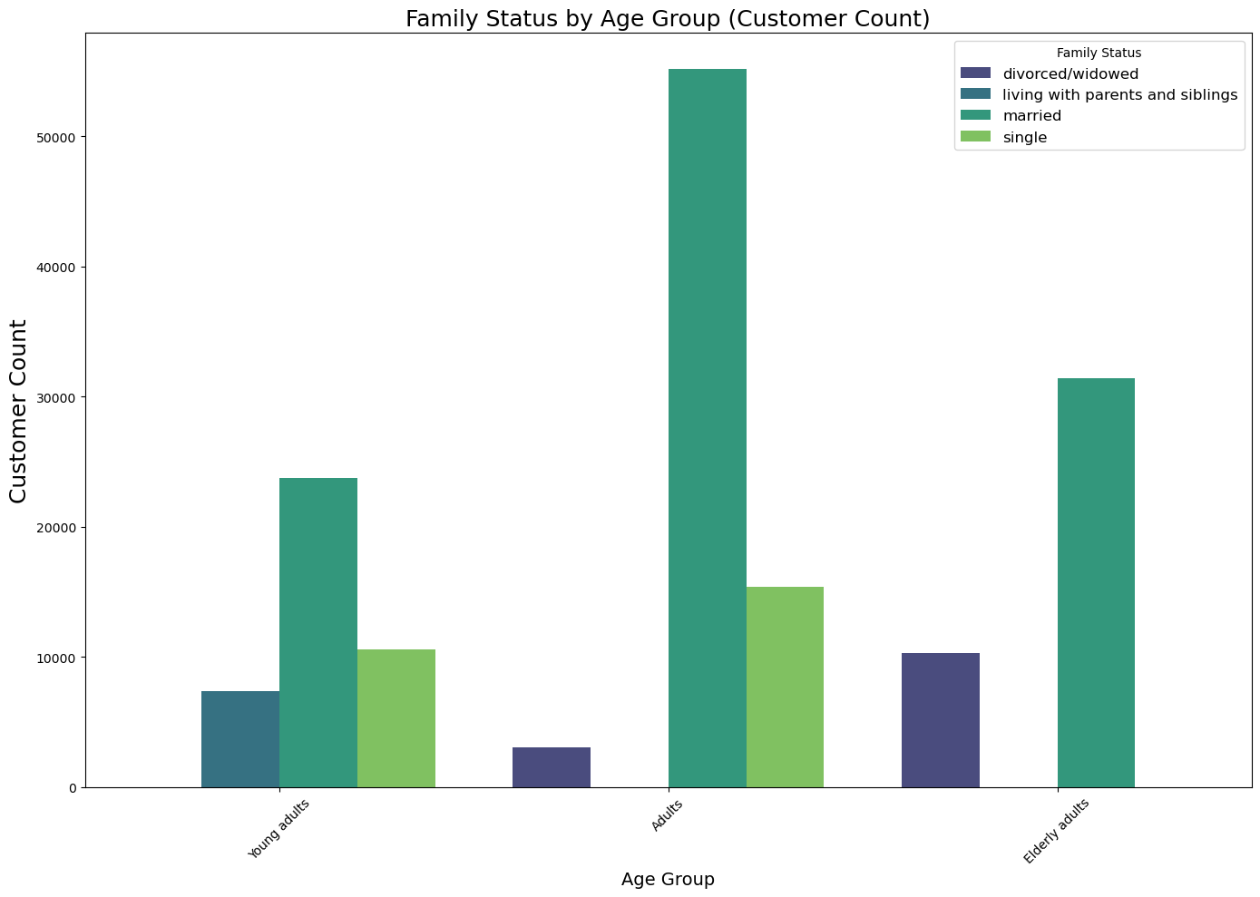
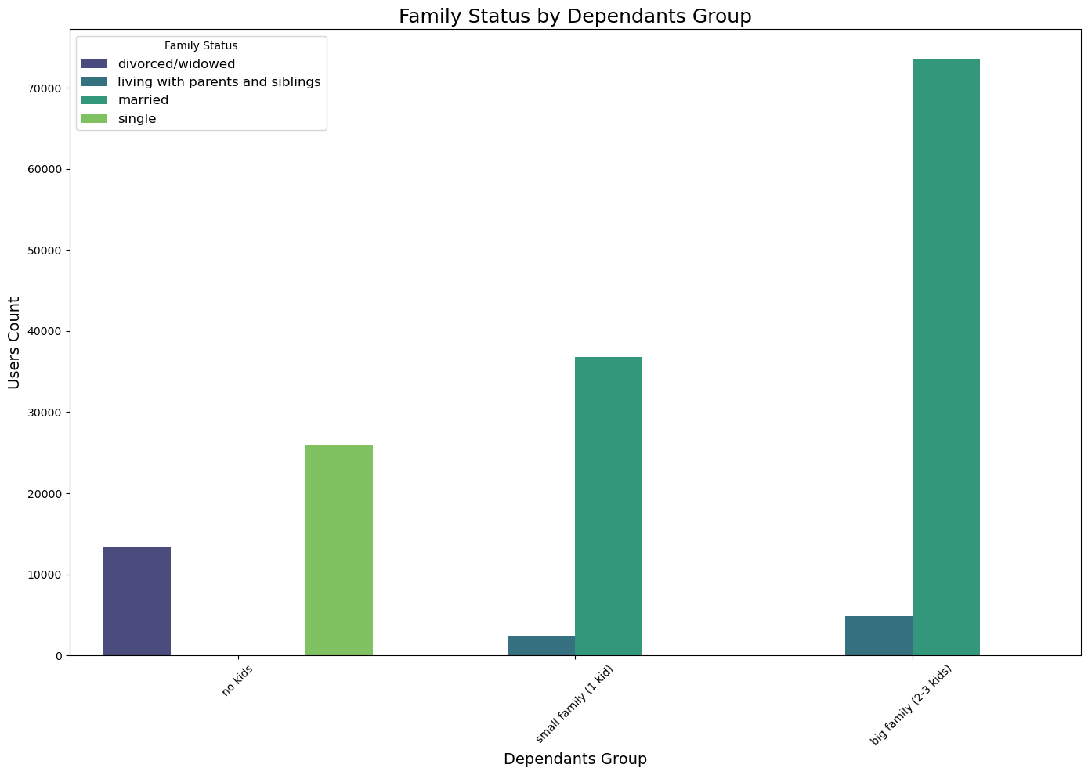
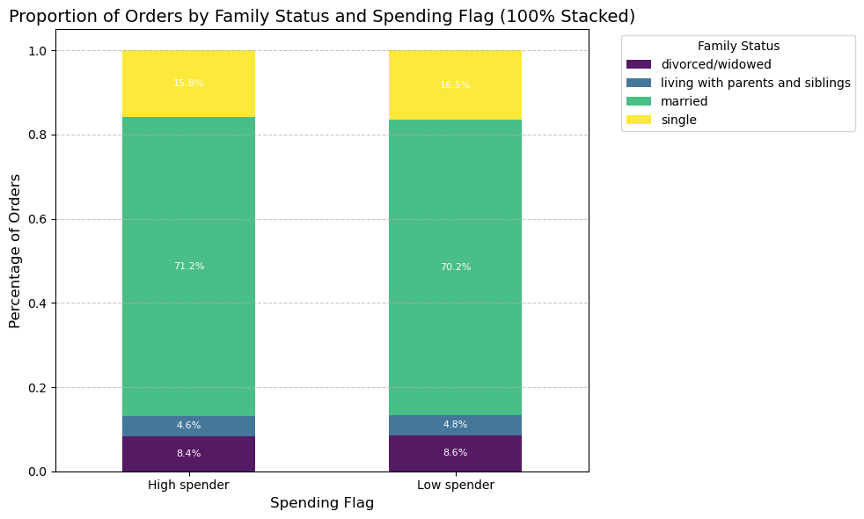
 | Title page

Visualisations

In this tab you should include all the visualtions from Exercises 4.9 and 4.10, alongside the questions from the project brief that they answer. Include any commentary on the relationship between different variables.

Question 1.
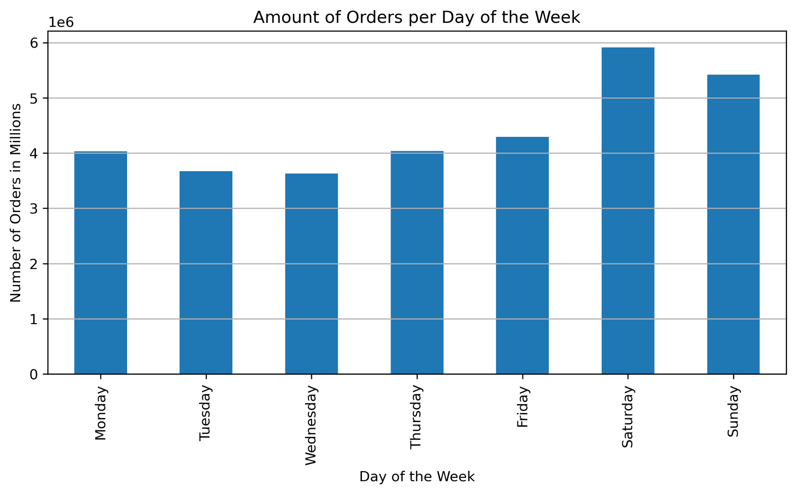
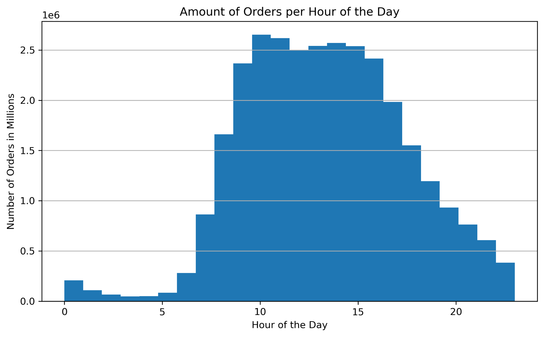

Question.2 (a&b)

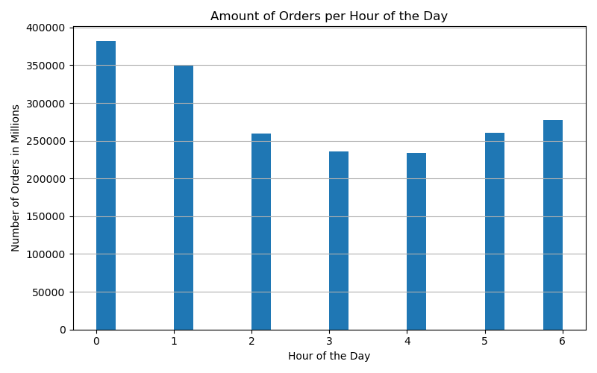
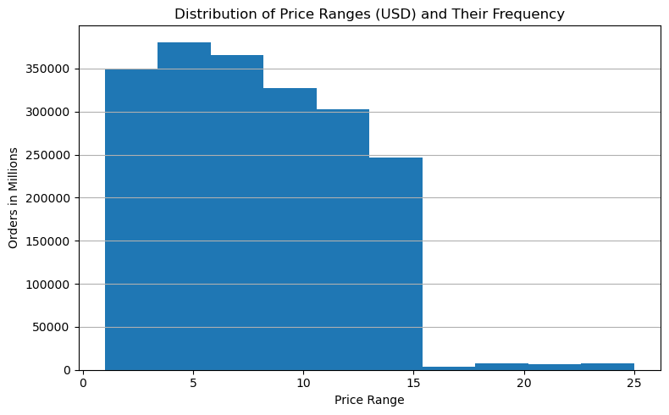

Question.3

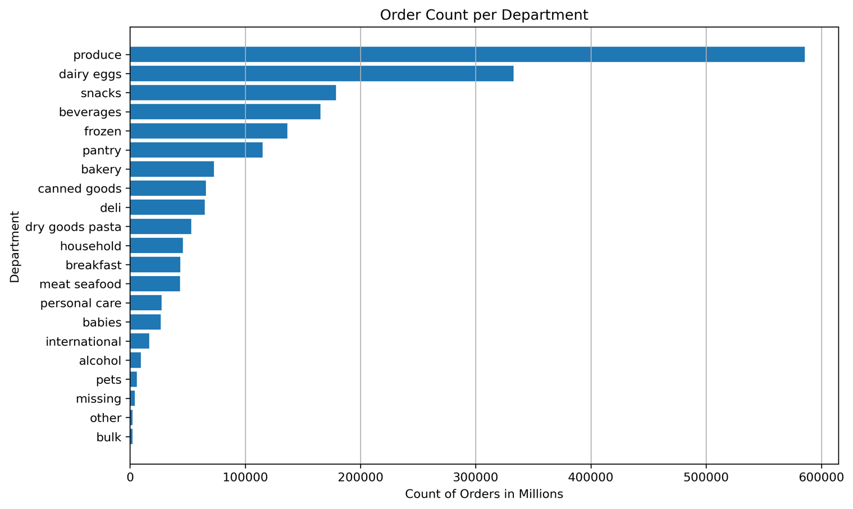

Question.4

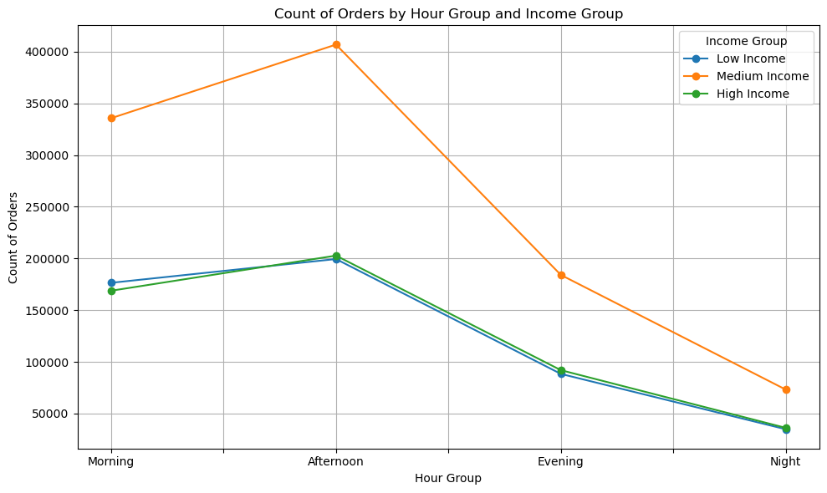
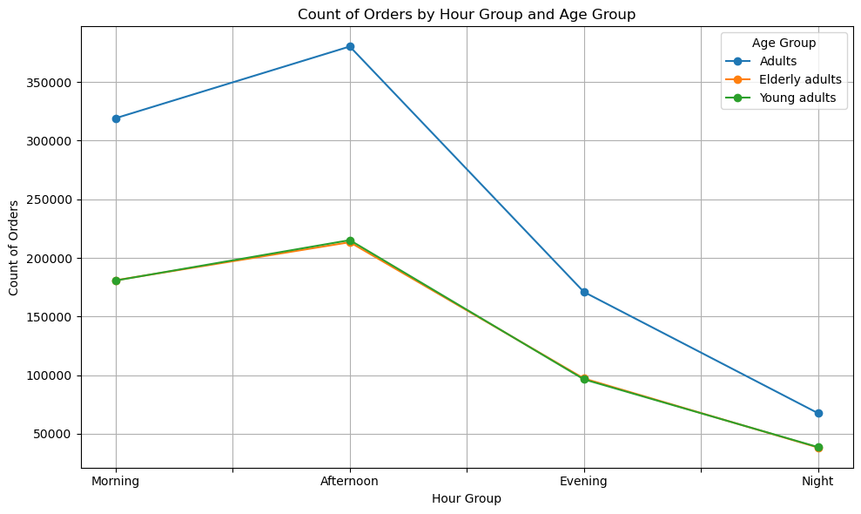

Question.5

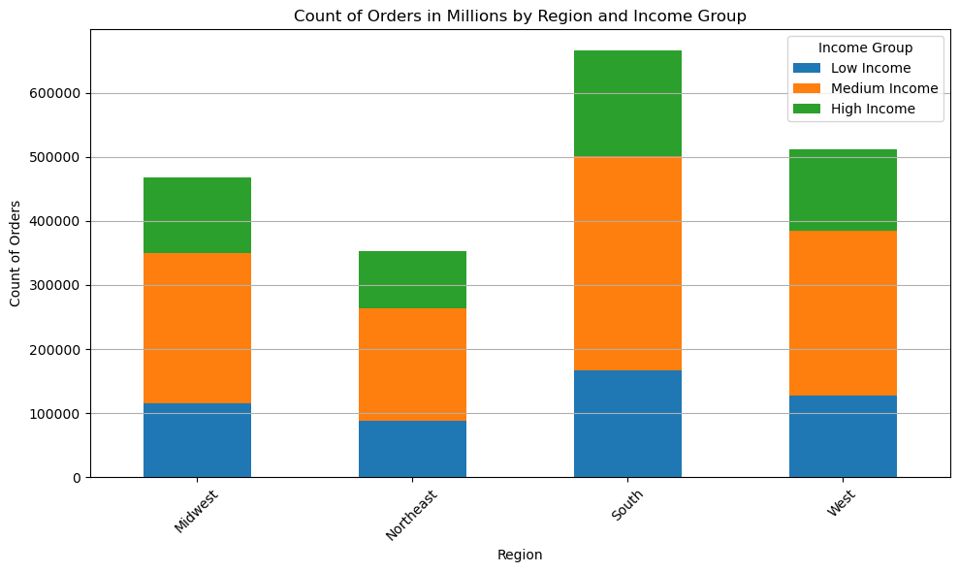
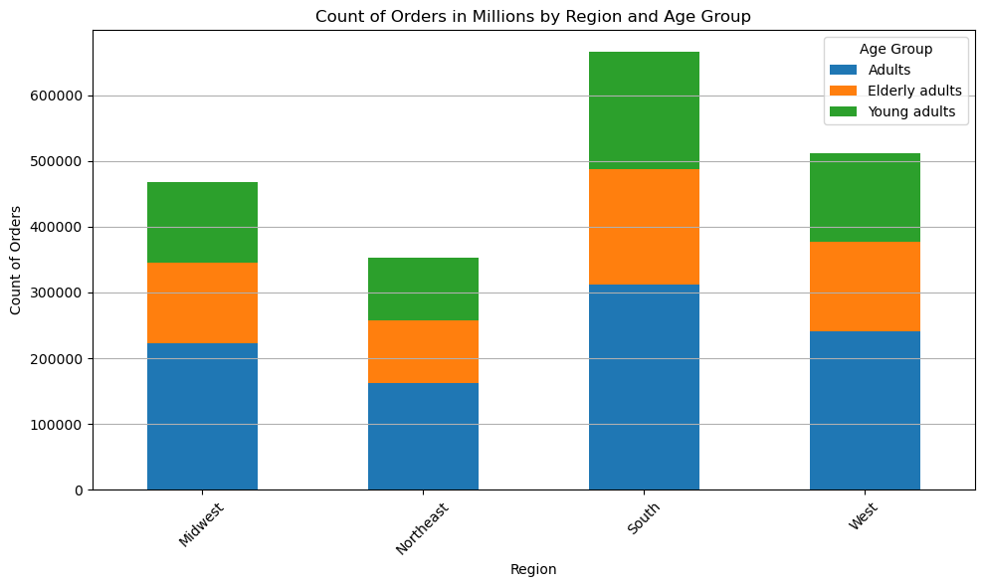

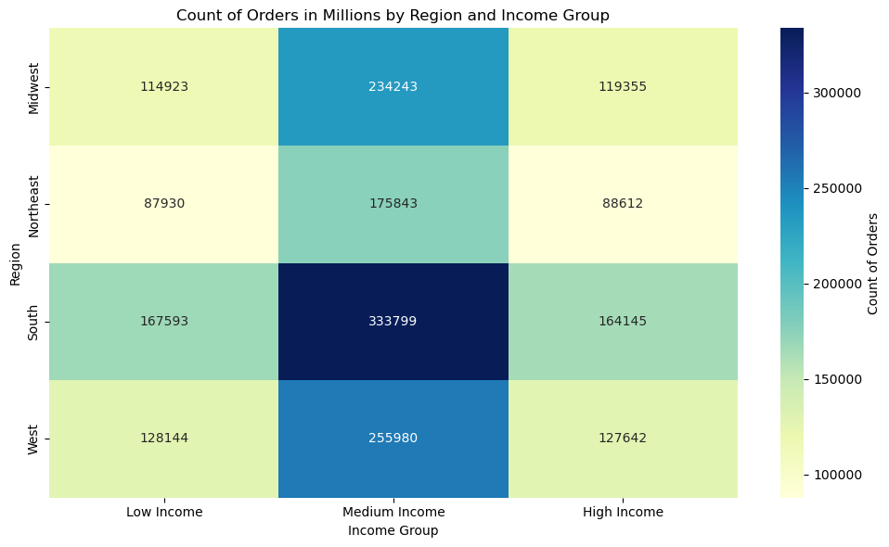
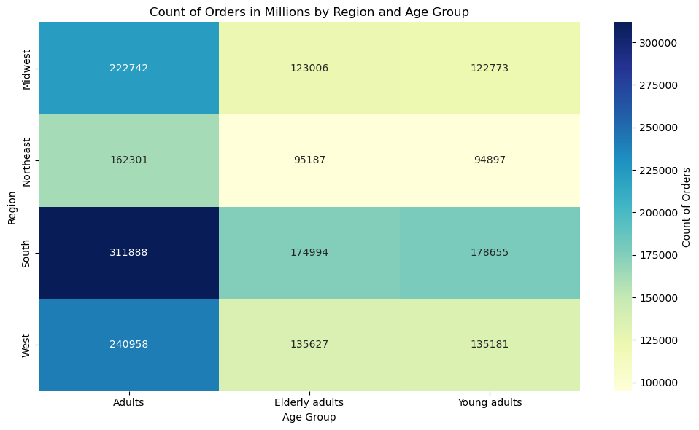

Question.6

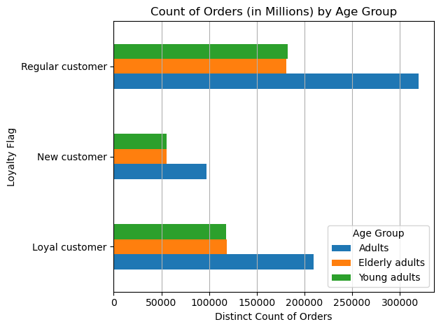
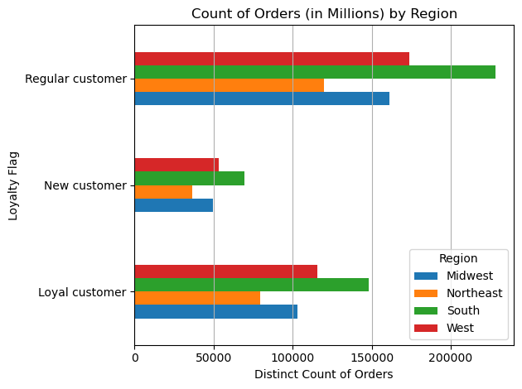

Question.7

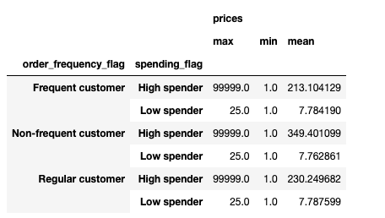

Question.8

7. Recommendations
 |  |  |  | Title page

Recommendations
 |  |  |  |  | Day of the Week Key
 |  |  |  |  | 0 = Saturday | 1 = Sunday | 2 = Monday | 3 = Tuesday. | 4 = Wednesday | 5 = Thursday | 6 = Friday

In this tab you should include any recommendations you would made to Instcart in terms of their marketing strategy based on the questions posed in the brief. Every key question has been covered in the Tasks of the Exercises - here you need to add an item - a visualisation or table/crosstable that is showing the answer in the data, acompanied by a comment from you. Please, list the questions below and add the answer underneath.

Question.1 - The sales team needs to know what the busiest days of the week and hours of the day are (i.e., the days and times with the |  | most orders) in order to schedule ads at times when there are fewer orders.

 |  |  | Insights & Recommendations:
 |  |  | 1. Weekly Order Trends:
 |  |  | Peak Activity: Weekends (Saturday and Sunday) are the busiest days for orders, with Saturday showing the highest activity.
 |  |  | Low Activity: Tuesday has the lowest order volume, indicating it is the least engaging day for customers.
 |  |  | Business Implication: Focus marketing efforts and optimize inventory for weekends. Explore discounts or targeted campaigns to boost engagement on quieter days like Tuesday.
 |  |  | 2. Time of Day Trends:
 |  |  | Peak Hours: The histogram shows a bell-shaped pattern, with the highest order frequency concentrated around mid-range times (e.g., mid-morning to evening).
 |  |  | Low Activity Hours: Early morning and late-night hours see significantly fewer orders.
 |  |  | Business Implication: Optimize staffing, inventory, and promotions during peak time intervals while reducing resources during off-peak hours.
 |  |  | 3. Overall Behavior Patterns:
 |  |  | Customers are most active during weekends and specific time windows.
 |  |  | Both daily and hourly insights suggest that customers align their shopping habits with their availability (weekend free time and mid-day convenience).

 |  | Question .2(a) - They also want to know whether there are particular times of the day when people spend the most money, as this might
 |  | inform the type of products they advertise at these times.

Question2(b) - How can Instacart maintain strong sales in the 0–10 USD range while improving customer engagement with products priced between 10–15 USD

Revised Insights and Recommendations:

Price Range Dominance:

Most orders are within the 0–10 USD range, with fewer orders in the 10–15 USD range.
Recommendation: Focus on ensuring competitive pricing and ample stock for items in the 0–10 USD range, as it accounts for the majority of customer demand.

Low Engagement in the 10–15 USD Range:

Orders significantly decline as prices approach 15 USD, indicating customer price sensitivity near the upper limit.
Recommendation: Introduce discounts, value bundles, or promotional campaigns to increase the appeal of items in the 10–15 USD range.

Maximizing Customer Reach:

The absence of products priced above 15 USD aligns with customer behavior but limits premium product offerings.
Recommendation: Consider adding "value bundles" of lower-priced items to create higher-value baskets while remaining within the existing pricing structure.

By focusing on affordability and enhancing the appeal of higher-priced items, Instacart can maximize customer engagement across its product range.

Question .3 - What targeted marketing and inventory optimization strategies can Instacart implement to sustain and enhance sales in high-performing departments like 'Produce' and 'Dairy Eggs,'
 |  | while boosting customer engagement and sales in underperforming categories such as 'Pets,' 'Alcohol,' and 'International'?

 |  | Insights and Recommendations:
 |  | 1. Top Performing Departments:
 |  | The "Produce" department has the highest order count, followed by "Dairy Eggs." These two categories dominate, indicating they are essential and frequently purchased items.
 |  | "Snacks," "Beverages," and "Frozen" follow closely, highlighting their popularity among customers.
 |  | 2. Low-Performing Departments:
 |  | Departments such as "Pets," "Alcohol," "International," and "Bulk" have significantly lower order counts, suggesting they cater to niche markets or are purchased less frequently.
 |  | 3. Mid-Tier Performance:
 |  | Categories like "Bakery," "Canned Goods," and "Dry Goods Pasta" exhibit moderate activity, indicating consistent but not dominant customer demand.
 |  | Business Implications:
 |  | Focus on High-Performing Departments: Enhance inventory and marketing efforts for "Produce" and "Dairy Eggs" to maintain customer satisfaction and meet demand.
 |  | Opportunities for Low-Performing Departments: Analyze why departments like "Pets" and "Alcohol" have lower sales and consider promotional strategies to boost engagement.
 |  | Resource Allocation: Allocate resources such as shelf space and promotions based on department performance, prioritizing high-demand categories.
 |  | This visualization reinforces the importance of understanding departmental trends for effective decision-making and operational efficiency.

Question.4 - What strategies can Instacart implement to maximize order volumes during peak hours for dominant demographics while engaging underperforming age and income groups to drive growth in off-peak hours?

 | Insights and Recommendations:

 | Order Timing Trends:

 | The morning and afternoon are peak times for orders across all age and income groups, with activity declining sharply in the evening and night.
 | Recommendation: Focus marketing efforts, such as flash sales or promotional campaigns, during morning and afternoon hours to capitalize on peak traffic. Additionally, consider strategies like late-night discounts or exclusive offers to boost order volumes during the evening and night.

 | Age Group Performance:

 | Adults place the highest number of orders in all time periods, with a significant spike in the afternoon. Young adults and Elderly adults follow similar trends but contribute fewer orders overall.
 | Recommendation: Develop targeted campaigns to engage Young adults and Elderly adults more effectively. Personalized offers, loyalty programs, or curated recommendations based on their preferences could help increase their order participation.

 | Income Group Behavior:

 | The medium-income group is the most active across all hours, particularly during the afternoon, while low-income and high-income groups follow similar but less pronounced trends.
 | Recommendation: Maintain existing services and offers for the medium-income group to sustain loyalty. For high-income customers, introduce premium services or exclusive product lines, while emphasizing affordability, discounts, and value-based bundles for low-income customers to encourage more frequent orders.

 | Low Activity During Evening and Night:

 | Across all demographics, order counts drop significantly in the evening and are minimal at night.
 | Recommendation: Introduce initiatives to stimulate activity during these hours, such as late-night delivery services, curated meal kits, or incentives like reduced delivery fees for off-peak ordering.

 | By leveraging these insights, Instacart can optimize marketing efforts, improve engagement among underperforming segments, and enhance order volumes during off-peak hours, leading to greater customer satisfaction and revenue growth.

Question.5 - How can Instacart enhance its regional marketing and inventory strategies to sustain dominance in high-performing regions and income groups while boosting engagement

 | among low-performing demographics such as Young Adults and Low Income customers in regions like the Northeast?

Insights and Recommendations:

Regional Order Trends by Age Group:

The South region consistently shows the highest order counts across all age groups, with Adults contributing the most, followed by Elderly Adults and Young Adults.
Midwest and West regions also exhibit high activity, especially for Adults.
The Northeast has the lowest order counts across all age groups.
Recommendation:
Focus resources and marketing efforts in the South region to maintain and enhance dominance.
Develop targeted campaigns in the Northeast to boost engagement, especially among Adults and Young Adults, by addressing regional preferences or barriers.

Regional Order Trends by Income Group:

Across all regions, Medium Income groups dominate order counts, followed by High Income and Low Income groups.
The South again leads in overall order counts, particularly for the Medium Income group, with the West and Midwest also showing significant activity.
The Northeast region has the lowest order counts for all income groups.
Recommendation:
Tailor promotional strategies to Medium Income customers, especially in the South and West, to sustain their loyalty.
Offer affordable bundles and discounts to Low Income customers in the Northeast to encourage higher engagement.
Introduce premium offerings for High Income customers in regions with significant activity, like the Midwest and West.

Age and Income Group Engagement Across Regions:

Adults and Medium Income groups are consistently the largest contributors across all regions, while Young Adults and Low Income groups have the lowest engagement.
Recommendation:
Invest in data-driven insights to create tailored offers that resonate with Young Adults and Low Income customers, especially in regions with lower participation like the Northeast.
For Adults and Medium Income customers, ensure seamless experiences, loyalty rewards, and consistent service to retain their dominance in all regions.

Region-Specific Observations:

The Midwest shows high activity for Medium Income and Adults but has fewer orders for Low Income and Young Adults.
Recommendation: Explore localized advertising and product preferences in the Midwest to tap into less active groups.

By leveraging these insights, Instacart can strengthen its regional strategies, optimize for high-performing segments, and address gaps in underperforming regions or demographic groups.

Question.6 - How can Instacart improve its customer acquisition and retention strategies to engage underserved regions like the Northeast and younger demographics while maintaining loyalty among key customer groups in high-performing regions like the West and South?

Insights and Recommendations:

Loyalty Trends by Age Group:

Adults dominate across all loyalty segments, especially among loyal customers and regular customers. Young adults and elderly adults have comparatively lower representation across all loyalty flags.
New customers show significantly fewer orders compared to regular and loyal customers.
Recommendations:
For Adults: Retain this key demographic by focusing on loyalty programs, personalized offers, and consistent service quality.
For Young Adults: Engage this segment by offering first-time user discounts and convenience-focused campaigns to convert them into repeat customers.
For Elderly Adults: Simplify the shopping experience with user-friendly app features, personalized shopping assistance, and discounts to encourage their loyalty.

Regional Trends by Loyalty Flag:

The West and South regions have the highest number of orders across all loyalty flags, with loyal customers driving significant activity in these regions.
The Northeast has lower customer activity in all segments, while the Midwest shows moderate engagement.
Recommendations:
Focus on retaining loyal customers in the West and South with exclusive rewards and targeted campaigns.
Increase customer acquisition in the Northeast by launching localized marketing initiatives, offering region-specific discounts, and improving delivery infrastructure.
Leverage the Midwest as a growth region by converting regular customers into loyal ones through incentive programs.

Opportunities for New Customers:

New customer orders are low across all age groups and regions, representing a key growth opportunity.
Recommendations:
Enhance acquisition efforts with promotions tailored for new customers, such as sign-up bonuses, free delivery for first-time orders, and referral discounts.
Use age- and region-specific data to craft targeted campaigns that resonate with potential customers in underserved areas like the Northeast and younger age groups.

Retention vs. Acquisition:

Loyal and regular customers drive the majority of orders, indicating strong retention but potential gaps in new customer acquisition.
Recommendations:
Balance retention strategies with acquisition efforts by offering long-term benefits for loyal customers (e.g., VIP programs) while aggressively marketing to acquire new customers.

By addressing these insights, Instacart can strengthen its regional and demographic strategies, driving both customer retention and acquisition for sustained growth.

Question.7 - How can Instacart enhance its strategies to retain high spenders while increasing order frequency and average basket size among low spenders and non-frequent customers

Insights and Recommendations:

Spending Behavior by Order Frequency:

High spenders show significantly higher mean prices across all customer types, with non-frequent customers having the highest mean spending ($349.40), followed by regular customers ($230.25) and frequent customers ($213.10).
Low spenders maintain a consistent mean spending pattern around $7.76–$7.78, regardless of order frequency.
Recommendations:
Focus on retaining high spenders through exclusive loyalty benefits, personalized promotions, and premium-tier products to encourage continued engagement.
For low spenders, implement strategies such as "spend-and-save" promotions or bundling lower-priced items to increase their average order value.

Frequent vs. Non-Frequent Customers:

Non-frequent high spenders have the highest average spending but likely place fewer orders, representing a key segment for increasing order frequency.
Frequent customers, while spending less per order, likely contribute through higher order volumes.
Recommendations:
For non-frequent customers, implement re-engagement campaigns, such as reminders, free delivery, or time-limited discounts, to boost order frequency.
For frequent customers, encourage larger basket sizes through tiered discounts or free delivery incentives for higher order values.

Extreme Values in High Spenders:

The maximum price of $99,999 suggests a potential data error or anomaly. However, it reflects the capacity for higher price ranges in customer orders.
Recommendations:
Investigate anomalies in price data to ensure accuracy and integrity.
Use data insights to refine premium product offerings for high spenders.

Low Spender Engagement:

Low spenders have minimal variation in average spending, indicating they are highly price-sensitive and focused on lower-value purchases.
Recommendations:
Introduce dynamic pricing models or loyalty points for small but frequent purchases to incentivize growth.
Offer tailored promotions to nudge low spenders towards mid-range products, bridging the gap between low and high spenders.

By leveraging these insights, Instacart can optimize its customer engagement strategies to balance retention of high spenders with targeted growth among low spenders and non-frequent customers.

Question.8- How can Instacart tailor its product offerings and marketing strategies to better engage married individuals and families with dependents, while increasing participation among young adults and single customers?

Insights and Recommendations:

Spending Trends by Family Status:

Insights:
Married customers dominate both high spender (71.2%) and low spender (70.2%) categories, suggesting their strong influence on order volumes.
Singles contribute significantly, with a slightly higher share among low spenders (16.5%) than high spenders (15.8%).
Smaller segments, such as those living with parents/siblings and divorced/widowed, have minimal representation but can still be targeted for growth.
Recommendations:
Married Customers: Focus on family-friendly bundles, such as bulk groceries, kids' snacks, or meal prep kits, which align with their needs.
Singles: Highlight convenience-based offerings like ready-to-eat meals or smaller portion sizes to cater to their lifestyle.
Other Groups: Create targeted campaigns for divorced/widowed and those living with parents/siblings, such as "value packs for independent living" or promotional discounts for individual meal planning.

Age Group and Family Status:

Insights:
Adults, especially those married, contribute the most orders across all family statuses, making them the core demographic.
Young adults and elderly adults have lower participation, but young adults often represent a transitional group with potential to grow as they establish families or increase spending habits.
Recommendations:
Adults: Continue prioritizing this group with loyalty rewards, family discounts, and seamless delivery experiences.
Young Adults: Attract them with promotions focused on affordability (e.g., first-time discounts, student-friendly deals) and convenience (e.g., fast delivery, curated selections for singles or small groups).
Elderly Adults: Introduce specialized services like personalized shopping lists, easy-to-use app interfaces, and senior discounts to make the platform more accessible and appealing.

Dependents and Family Size:

Insights:
Married customers with big families (2–3 kids) are the largest contributors to orders, emphasizing the importance of households with dependents in driving sales.
Customers with no kids or small families (1 child) contribute less, but they still form a sizable segment worth addressing.
Recommendations:
Big Families: Offer bulk purchase deals on essentials like produce, dairy, and household staples. Additionally, design marketing campaigns around themes like “feeding the whole family” or “back-to-school essentials.”
No Kids/Small Families: Focus on smaller packaging options, meal kits, and targeted promotions, such as "weekly essentials for two" or "convenient meals for busy couples."
Introduce a family tier loyalty program, rewarding larger families for frequent purchases while encouraging smaller families to increase order sizes.

By focusing on these critical family status insights and aligning them with age and spending behaviors, Instacart can strengthen its engagement strategy, improve customer satisfaction, and drive sustained growth across diverse customer groups.

